Application Screen
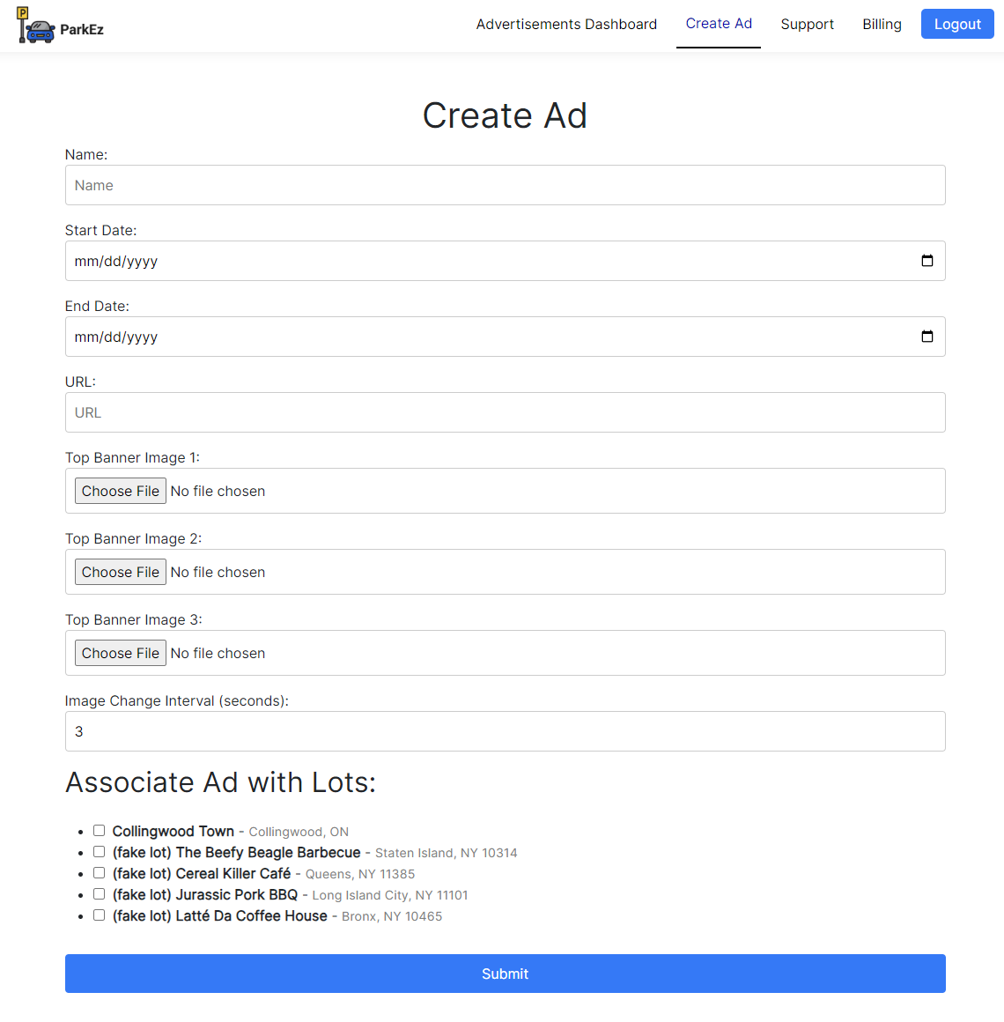

Test Case 5
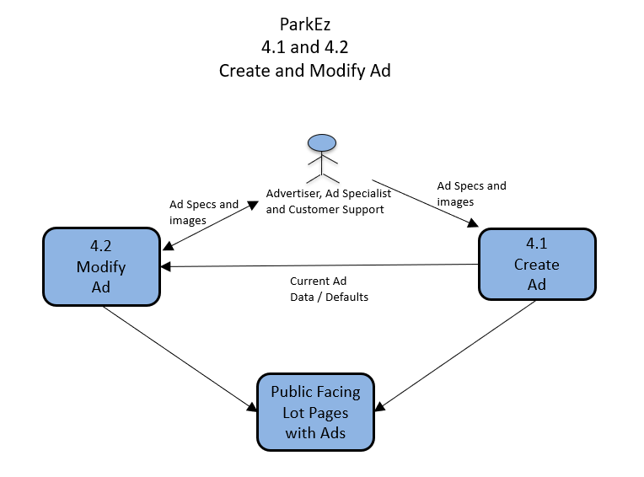
TC Title: | TC5. Data Flow Out

TC Objective: | Verify that the data is being saved from the form and accessible in different places. In this test a Customer Support creates an ad for a advertiser, and the advertiser logs on and sees that the ad is created on his or her dashboard. We would also test the ad shows up on lots, but that part of the software has not yet been written.

TC Description
 | Step | Step Description | Expected Results
 | 1 | Login using Customer Service default testing acccount (email: customer_support@example.com, password: 123) | You should see the see "Create Ad" in the NavBar
 | 2 | Click "Create Ad" in the NavBar on the top of the screen. | You should see the create ad form.
 | 3 | Fill in sample data below (** Sample Valid Data) and press submit | A toast will say successful and after 3 seconds go to Lot Admin where one of the ads listed will be TC5
 | 4 | Confirm all data fields and images match what was entered | All data will match what you entered.
 | 5 | Login using Advertiser default testing acccount (email: advertiser@example.com, password: 123) | You should see the Advertisor Dashboard and see "Create Ad" in the address bar"
 | 6 | Confirm all data fields in TC5 and images match what was entered | All data will match what you entered.

 |  | You can use these simple banners (saves as .jpg) for testing | ** Sample Valid Data
 |  |  | Select Advertiser: Advertiser Business Inc. | (field where employees choose the advertiser who they are making an ad for)
 |  |  | Name: TC5
 |  |  | Start Date: 10/22/2023
 |  |  | End Date: 10/22/2024
 |  |  | URL: https://www.google.com/
 |  |  | Top Banner Images (See images left)
 |  |  | Image Change interval: 5
 |  |  | Associated Lots: Collingwoood Town, Jurrassic Pork BBQ

